Sheet1
 |  | Document No. | Issue No. | Issue Date |  |  | Review and Replace Date |  | Authorised By
 |  | GFF162MC | 2 | 20.03.2020 |  |  | 19.10.2020 |  | Magda Shah
 |  | Document Title | MEXICAN CHICKEN TAQUITOS 85G
Document amendments reason for change |  | Shelf life reviewed and updated |  |  | Page 1 of 1 |  | Previous Issue Date | 20.03.2020 | Uncontrolled copy unless signed original

CCTAQ-G6T | GAZEBO |  | MEXICAN CHICKEN TAQUITOS 85g | CHILLED
STEP 1 |  |  |  |  |  | STEP 2
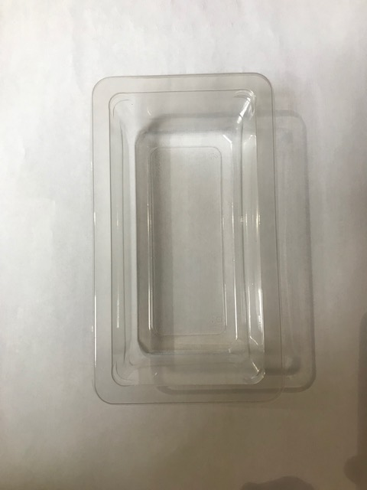 |  |  |  |  |  | 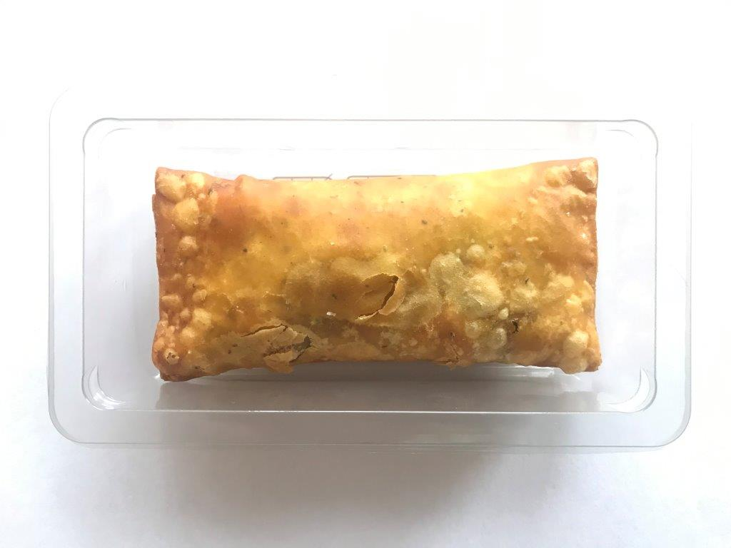  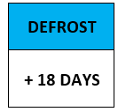

GUS FLASHED PRODUCT

Tray SINGLE CAVITY/F145 (PKLEE001-05) |  |  |  |  |  | Mexican Chicken Taquitos 85g |  |  | Total Weight: 85g
Line 1: Mylar 250LAF 250mm x 1000 (PKWRA001-08) Line 1: K-Peel 75G + AF 25 250mm (PKKMP001-01)
ALLERGY ALERT: WHEAT, SULPHITE

